BALMAIN
 |  |  |  |  |  |  |  |  |  |  |  |  |  |  |  | 527
IMAGE | MOD | ART | DESCRIPTION | COLOR | DROP | WHS | RETAIL | COMP | 46 | 48 | 50 | 52 | 54 | 56 | 58 | TOTALE
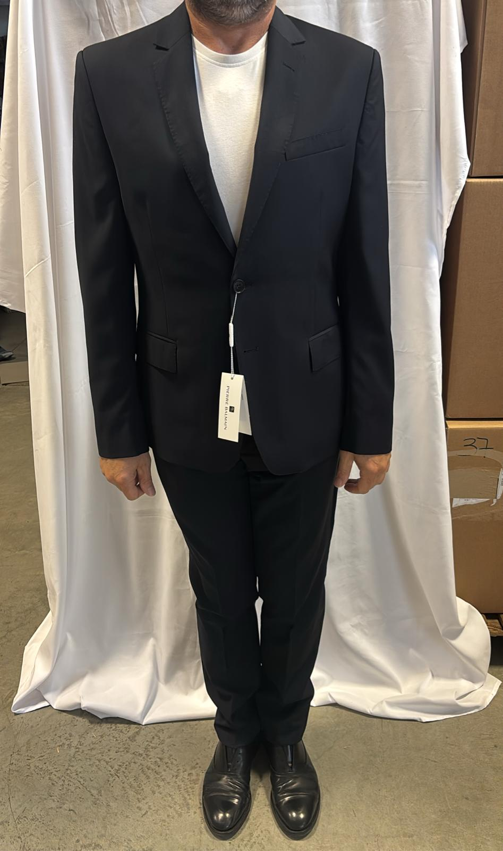 | 1926055 | 205 | ABITO | 801 BLU | S7 | 292.59 € | 790.00 € | 100% WO FODERA 100% VI | 65 | 90 | 109 | 107 | 85 | 58 | 13 | 527

